Question 3 Question
Question 3
Shiny Pte Ltd

 | Assets |  |  |  |  | = | Liabilities | + | Shareholders' Equity
 | Cash | + | Inventory | + | Accounts Receivable, Kiddy | = | Accounts Payable, Wilson | + | Ordinary share capital | + | Sales Revenue | - | Cost of Sales | - | Expense
(a) | 90,000 |  |  |  |  |  |  |  | 90,000 |  |  |  |  |  |  |  | Shiny Pte ltd
(b) |  |  | 40,000 |  |  |  | 40,000 |  |  |  |  |  |  |  |  |  | Statement of Profit or Loss
(c) | 16,000 |  |  |  |  |  |  |  |  |  | 16,000 |  |  |  |  |  | for the month ended 30 September 2021
(c) |  |  | -9,000 |  |  |  |  |  |  |  |  |  | 9,000 |  |  |  |  | $ | $
(d) | -9,000 |  |  |  |  |  | -9,000 |  |  |  |  |  |  |  |  |  | Sales Revenue |  | 29,000
(e) |  |  |  |  | 13,000 |  |  |  |  |  | 13,000 |  |  |  |  |  | Less Cost of Sales |  | 14,000
(e) |  |  | -5,000 |  |  |  |  |  |  |  |  |  | 5,000 |  |  |  | Gross profit |  | 15,000
(f) | 6,000 |  |  |  | -6,000 |  |  |  |  |  |  |  |  |  |  |  | Less Operating expense
(g) | -2,500 |  |  |  |  |  |  |  |  |  |  |  |  |  | 2,500 | Salary Expense | Salary Expense | 2,500
 | -1,500 |  |  |  |  |  |  |  |  |  |  |  |  |  | 1,500 | Advertising Expense | Advertising Expense | 1,500
 | -1,000 |  |  |  |  |  |  |  |  |  |  |  |  |  | 1,000 | Utilities Expense | Utilities Expense | 1,000
Total | 98,000 | + | 26,000 | + | 7,000 |  | 31,000 | + | 90,000 | + | 29,000 | - | 14,000 | - | 5,000 |  | Total operating expense |  | 5,000
 |  |  |  |  |  |  |  |  |  |  |  |  |  |  |  |  | Net Profit |  | 10,000
 | 131,000 |  |  |  |  | = | 31,000 | + | 100,000

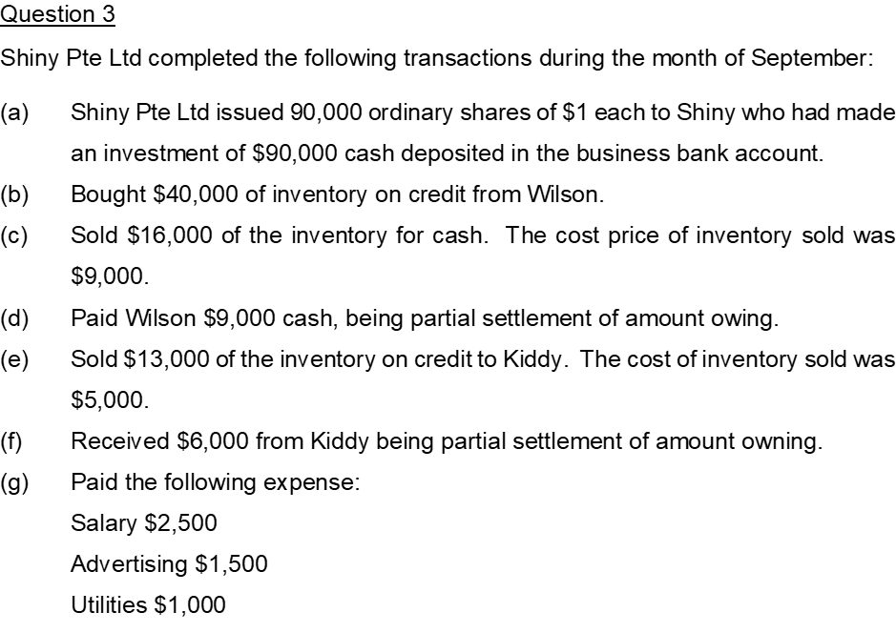
 |  |  |  |  |  |  |  |  |  |  |  |  |  |  |  |  | Shiny Pte Ltd
 |  |  |  |  |  |  |  |  |  |  |  |  |  |  |  |  | Statement of Financial Position
 |  |  |  |  |  |  |  |  |  |  |  |  |  |  |  |  | as at 30 September 2021
 |  |  |  |  |  |  |  |  |  |  |  |  |  |  |  |  | Assets | $ | $
 |  |  |  |  |  |  |  |  |  |  |  |  |  |  |  |  | Cash |  | 98,000
 |  |  |  |  |  |  |  |  |  |  |  |  |  |  |  |  | Inventory |  | 26,000
 |  |  |  |  |  |  |  |  |  |  |  |  |  |  |  |  | Accounts Receivable, Kiddy |  | 7,000
 |  |  |  |  |  |  |  |  |  |  |  |  |  |  |  |  | Total assets |  | 131,000

 |  |  |  |  |  |  |  |  |  |  |  |  |  |  |  |  | Liabilities
 |  |  |  |  |  |  |  |  |  |  |  |  |  |  |  |  | Accounts Payable, Wilson |  | 31,000

 |  |  |  |  |  |  |  |  |  |  |  |  |  |  |  |  | Shareholders' equity
 |  |  |  |  |  |  |  |  |  |  |  |  |  |  |  |  | Ordinary share capital | 90000
 |  |  |  |  |  |  |  |  |  |  |  |  |  |  |  |  | Retained earnings | 10000
 |  |  |  |  |  |  |  |  |  |  |  |  |  |  |  |  | Total shareholders' equity |  | 100,000
 |  |  |  |  |  |  |  |  |  |  |  |  |  |  |  |  | Total liability and shareholders' equity |  | 131,000

